Flowchart ML
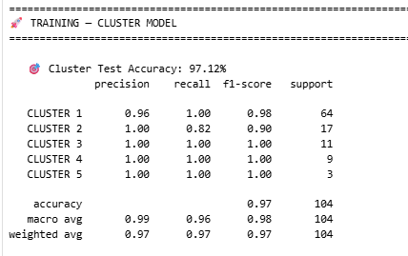
ML pipeline workflow | Model Development | Model Application |  | Full Flowchart Application |  | Model Integration [28/08/2026]

Source Dataset
(PROJECT, CUSTOMER, DEVICE ID, DEVICE TYPE, SECTION, CLUSTER)
Source Dataset :
(dbo.DummyTestingData)
Device ID
Source Dataset : DB SQL
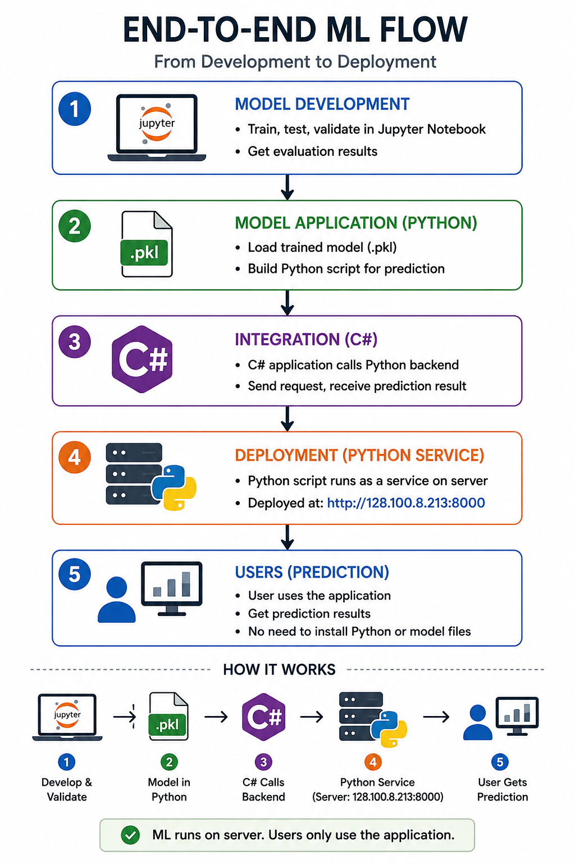
PythonSQL.cs

Equipment prediction
SGD Classifer
Input JSON
Input JSON
Data preparation
text cleaning, validation, text normalization, deduplication
Model.dll

Device Type Prediction
= SGD Classifier
Device Type Prediction
= Binary Rule-Based
Output = Device Type Prediction
Split dataset 70% : training
15% : validation
15% : testing
Section Prediction
= XGBoost
Section prediction
XGBoost
Output = Device Type Prediction

Cluster Prediction
= XGBoost
Feature Engineering
TF-IDF Vectorizarion Label Encoding
Suffix and prefix extraction
Output = Section Prediction
Section Prediction
= XGBoost

Cluster prediction
XGBoost
Output = Section Prediction
Quota constraint cluster allocation (Logic)
- assign by prediction score
- Find exceeded / vacant clusters. Excess devices kicked out to reassignment pool
- Device-centric reassignment

Model Development
Training, Validation, Testing
Section Prediction
= XGBoost
Output = Cluster Prediction

Device Type
= SGD Classifier
Device Section/Cluster
= XGB Boost
Output = Cluster Prediction
Assigned Devices
floating cluster

Model Evaluation
Logic Algorithm
Logic.dll
Model Evaluation
dbo.DeviceReviewQueue

Split KNOWN/UNKNOWN

KNOWN
UNKNOWN
Save Trained Model

Matching pattern cluster:
(dbo.PatternCluster)
*any modification pattern is here
(dbo.DeviceReviewQueue)
 |  |  |  |  | Filepath script
 |  |  |  |  | Model/Services/PythonSQL.cs
Manual correction

Build Cluster Group
Update SQL MERGE
 | Result of model evaluation

Print Cluster Table
 |  | PARAMETER SGD Classifier Model |  | CURRENT DLL LIBRARY
 |  |  |  | Model.dll
 |  | ALPHA_PREFIX_WEIGHT = 0.65 |  | Logic.dll
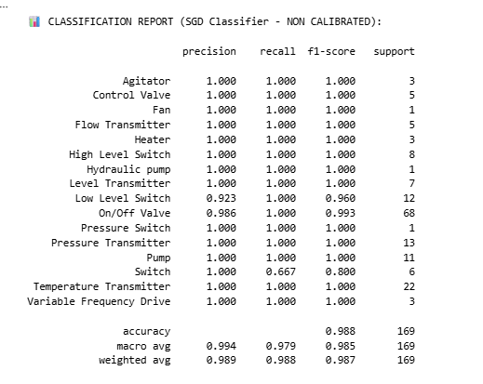
 |  | INITIAL_DICT_CONF = 0.90
Output : (dbo.OutputDeviceAssignment)
 |  | COSINE_THRESHOLD = 0.60
 |  | SGD_STRONG_THRESHOLD = 0.70
 |  | TOP_K = 5 |  | ** both is work as reference for the consoleapp
 |  |  |  | ** hence only carry on both dll library to handover for UI
 |  | PARAMETER XGBoost

 |  | max_depth = 6
 |  | learning_rate = 0.05
 |  | n_estimators = 300
 |  | min_child_weight = 1 |  | STOP HERE
 |  | subsample = 0.8 | TROUBLESHOOTING THE FLOATING DUMP AND UNKNOWN DUMP
 |  | colsample_bytree = 0.8
 |  | gamma = 0.1
 |  | random_state = 42
 |  | test_size = 0.15 |  | unknown_dump.json
 |  | val_size = 0.176 |  | Single shared file
 |  | max_attempts = 100

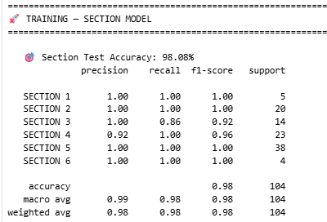

list of unknown [PENDING - no output in console apps]

 |  |  |  |  |  |  | dbo.DeviceReviewQueue

Movement dataset
SGD CLASSIFIER MODEL

Received 8 RAW excel files in zip files [Dataset/1. raw_data]
Clean each excel file
[Dataset/2. clean_data]
Merge into 1 csv files
[Dataset\output\masterfile.csv]
Used for training SGD model
master_df.pkl

XGBoost MODEL

Dummy data
[repos\DeviceCluster\1.training_model\dummy_data]
UGS (A1706-A1995)
Oiltek (A2027-A8885)

Used for training XGB model

suppl
